NB
Photo | SKU | Description | EAN | EU | Qty. | WHS | RRP
 | M1000Q | 1000 | 198686313085 | 42 | 36 | 85.00 € | 170.00 €
 | M1000Q | 1000 | 198686313108 | 43 | 36 | 85.00 € | 170.00 €
 | M1000Q | 1000 | 198686313115 | 44 | 36 | 85.00 € | 170.00 €
 | M1000Q | 1000 | 198686313139 | 45 | 18 | 85.00 € | 170.00 €
 | M1000Q | 1000 | 198686313061 | 40.5 | 18 | 85.00 € | 170.00 €
 | M1000Q | 1000 | 198686313092 | 42.5 | 36 | 85.00 € | 170.00 €
 | M1000Q | 1000 | 198686313122 | 44.5 | 18 | 85.00 € | 170.00 €
 | M1000Q | 1000 | 198686313078 | 41.5 | 18 | 85.00 € | 170.00 €
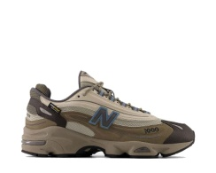 | M1000I | 1000 | 198686550640 | 42 | 24 | 85.00 € | 170.00 €
 | M1000I | 1000 | 198686550664 | 43 | 24 | 85.00 € | 170.00 €
 | M1000I | 1000 | 198686550671 | 44 | 18 | 85.00 € | 170.00 €
 | M1000I | 1000 | 198686550695 | 45 | 12 | 85.00 € | 170.00 €
 | M1000I | 1000 | 198686550626 | 40.5 | 12 | 85.00 € | 170.00 €
 | M1000I | 1000 | 198686550657 | 42.5 | 18 | 85.00 € | 170.00 €
 | M1000I | 1000 | 198686550688 | 44.5 | 12 | 85.00 € | 170.00 €
 | M1000I | 1000 | 198686550633 | 41.5 | 24 | 85.00 € | 170.00 €
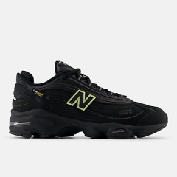 | M1000BBV | M1000 | 197967926587 | 42 | 72 | 85.00 € | 170.00 €
 | M1000BBV | M1000 | 197967926600 | 43 | 61 | 85.00 € | 170.00 €
 | M1000BBV | M1000 | 197967926617 | 44 | 78 | 85.00 € | 170.00 €
 | M1000BBV | M1000 | 197967926631 | 45 | 25 | 85.00 € | 170.00 €
 | M1000BBV | M1000 | 197967926563 | 40.5 | 31 | 85.00 € | 170.00 €
 | M1000BBV | M1000 | 197967926594 | 42.5 | 63 | 85.00 € | 170.00 €
 | M1000BBV | M1000 | 197967926624 | 44.5 | 23 | 85.00 € | 170.00 €
 | M1000BBV | M1000 | 197967926570 | 41.5 | 36 | 85.00 € | 170.00 €
 |  |  |  |  | 749

